Account Restore
1. Configuration file

 | File Name:
 |  | AccountRestore.cfg
 |  | The configuration file is in the same location with application file. The configuration files is generated automatically at the first time
 | Parameters:
 |  | SERVER | The server you want to work on
 |  | LOGIN | Manager user login ID
 |  | HTTP_URL | The site contains a list of accounts those need to be restored
 |  | ACCOUNT_LIST | a list of accounts those need to be restored (the application takes both input from URL and ACCOUNT_LIST value)
 |  | INTERVAL(MINUTE) | How long after each cycle of refreshing data from URL and doing a new task.
 |  |  | If this field is empty, AccountRestore will run only one time
 |  | SEARCH_ALL_ORDER_FILES | "on": Search all orders from all assigned order files for all accounts (would be very slow)
 |  |  | "off": Stop searching orders for a certain account if orders for that account are already found in a backup file (This file might not contain all orders)
 |  | SEARCH_ORDERS_FROM_CERTAIN_FILES | "on": Only search orders from certain files
 |  |  | "off": search for all existing order file on server
 |  |  | File names should be placed in file "AccountRestore.orderfiles" (in the same location as application file)
 |  |  | Each name should be written in one line without comma

 |  | e.g. (AccountRestore.cfg)

 |  | e.g. (AccountRestore.orderfiles)

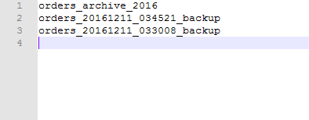

2. Log file
 | a log file will be created automatically after the end of each task with a name is the start time of the task.

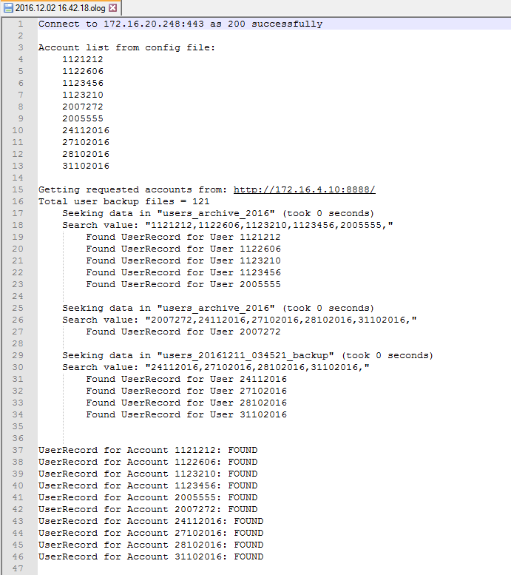

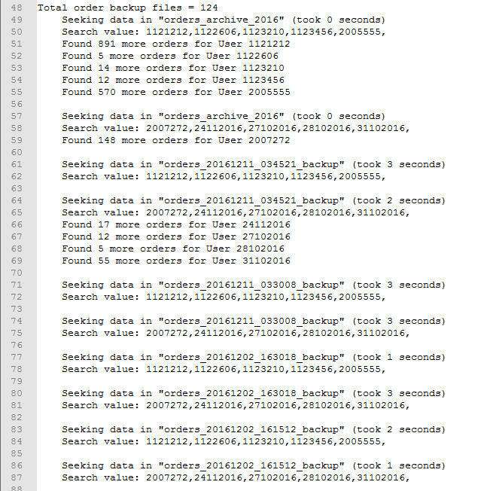

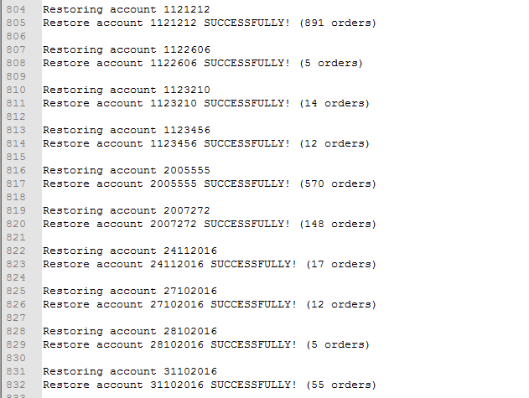

3. Run application
 | Run application from console windows
 | Command: <App Name> -p <password>
 | For example:

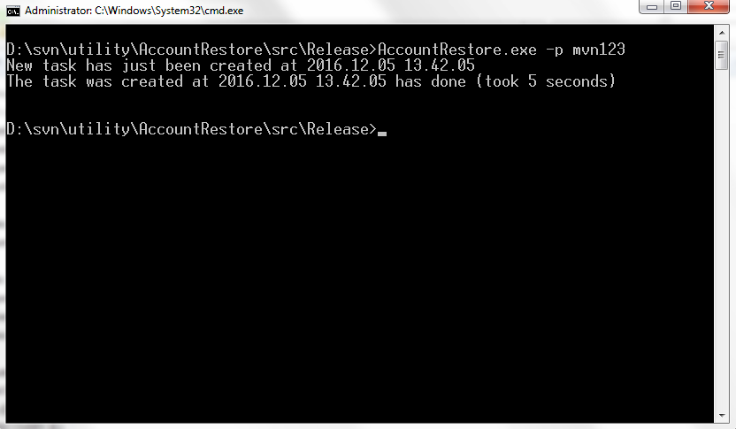

 |  | (This was an empty task hence it took only 5 second. With large amount of data, it can be quite long!)

